Contact
Blue Box Regulation - Municipal and First Nation Initial Report

ATTENTION: It is an offence to submit false or misleading information to the Authority
Submission deadline: Eligible communities that are included in the Blue Box Transition Schedule must submit the information in this form, on or before, (a) September 30, 2021, if the eligible community is a local municipality or local services board area; and (b) November 30, 2021, if the eligible community is a reserve.
Click here for the Transition Schedule: |  | https://rpra.ca/wp-content/uploads/Attachment-Blue-Box-Transition-Schedule.pdf

A form must be submitted on behalf of each eligible local municipality, local services board or First Nation. If you are an upper-tier municipality or waste association, this form must be submitted separately for each eligible community in your program. A local municipality means a single-tier municipality or a lower-tier municipality. A local services board has the same meaning as “Board” in the Northern Services Boards Act. A First Nation means a council of the Band as referred to in subsection 2 (1) of the Indian Act (Canada).

Name of the Eligible Community
Please provide the name of the eligible local municipality, local services board or First Nation, as listed on the Transition Schedule, for which this form is being completed.

Name

Primary Contact Information
The primary contact should be someone from the community who can speak to waste management. While there may be different people responsible for different aspects of your blue box program, please include a primary contact who can direct inquiries to the appropriate person as needed.

Primary business contact information of the person responsible for waste management
First Name |  |  | Last Name

Job Title/Role |  |  | Community/Organization

Street Number | Street Name |  | City/Town

Postal Code | PO Box |  | Email Address

Telephone Number (with area code) |  | Ext. | Mobile (optional)

Alternative Contacts (optional)

Alternative Contact #1
First Name |  |  | Last Name

Job Title/Role |  |  | Email Address

Telephone Number (with area code) |  | Ext. | Mobile (optional)

Alternative Contact #2
First Name |  |  | Last Name

Job Title/Role |  |  | Email Address

Telephone Number (with area code) |  | Ext. | Mobile (optional)

Next Step

Population & Residences
Blue Box Regulation - Municipal and First Nation Initial Report
ATTENTION: It is an offence to submit false or misleading information to the Authority

1. Provide the name(s) of the municipality, local services board, First Nation, or other entity that operates your Waste Diversion Transition Act (WDTA) blue box program and garbage collection.
The operator of your program is the entity who makes arrangements for the collection and processing of materials in your community and can speak to how your program operates. If there is more than one entity that operates your blue box program and garbage collection, indicate all operators and include a brief description of which services they operate on behalf of your community.

Name of Operator |  | Service(s) Operated | Contact Name | Phone | Email
Ex. The Region of Peel |  | Garbage | John Smith | 555-555-5555 | johnsmith@municipality.ca
Ex. Our Waste Association |  | Blue Box | Megan Smith | 555-555-5555 | megansmith@association.com

2. Total population in the eligible community as of December 31, 2020.
Population

What source did you use for the above population data? (select from the drop-down list)

3. Number of residences in the eligible community as of December 31, 2020.
Residences are households and include seasonal residences. A multi-residential residence is a unit in a building that has 6 or more dwelling units. Report all residences in your community, even if they do not currently receive collection services under a WDTA blue box program.

Number of single-family residences
Number of residences (units) in multi-residential facilities
Total number of residences | 0

What source did you use for the above data about residences? (select from the drop-down list)
Band Records

4. The number of single-family residences that received collection services under a WDTA blue box program in the eligible community as of December 31, 2020.
Do not include residences in multi-residential buildings (buildings with 6 or more dwelling units) in this section. Multi-residential buildings will be reported separately on the next sheet.
Number of single-family residences that receive curbside collection
Number of single-family residences that receive depot collection as their primary mode of collection
Total number of single-family residences that receive collection services | 0

Next Step

Facilities
Blue Box Regulation - Municipal and First Nation Initial Report
ATTENTION: It is an offence to submit false or misleading information to the Authority

5. Number of multi-residential facilities that receive blue box collection service under your WDTA blue box program as of December 31, 2020.

A multi-residential facility is a building that has 6 or more dwelling units. Multi-residential facilities include apartment buildings and condominiums but do not include a building used for temporary accommodation, such as a hotel.

Number of multi-residential facilities with 6 or more dwelling units that receive blue box collection service under your WDTA blue box program

6. Other facilities in the eligible community that receive collection services under your WDTA blue box program as of December 31, 2020.

Facilities (other than multi-residential) include the following:
a) Retirement homes that are operated by a municipality or an entity that does not operate with a purpose of generating a profit, or that were included in the WDTA blue box program on August 15, 2019.
b) Long-term care homes that are non-profit long-term care homes or that were included in the WDTA blue box program on August 15, 2019.
c) Buildings that contain schools or private schools.
Do any of the above facilities receive blue box collection services under your WDTA blue box program?
 | <- Type 'Yes' or 'No'

Number of retirement homes
Number of long-term care homes
Number of schools and private schools
Total number of other facilities |  | 0

7. Where did you obtain the information about the number of multi-residential facilities, retirement homes, long-term care homes and schools in your community?
If you used different sources for different types of facilities, please describe.

Provide your answer in this box. If required, additional documents can be submitted with this report (please label them with the question #).

8. What criteria or conditions were used to determine which facilities (including multi-residential facilities) were included in the WDTA Blue Box program in the eligible community on August 15, 2019?

Do any multi-residential facilities receive blue box collection services under your WDTA blue box program?
 | <- Type 'Yes' or 'No'

Describe what criteria or conditions are used to determine which multi-residential facilities were included under your WDTA blue box program. If required, additional documents can be submitted with this report (please label them with the question #).

Do any retirement homes receive blue box collection services under your WDTA blue box program?
 | <- Type 'Yes' or 'No'

Describe what criteria or conditions are used to determine which retirement homes were included under your WDTA blue box program. If required, additional documents can be submitted with this report (please label them with the question #).

Do any long-term care homes receive blue box collection services under your WDTA blue box program?
 | <- Type 'Yes' or 'No'

Describe what criteria or conditions are used to determine which long-term care homes were included under your WDTA blue box program. If required, additional documents can be submitted with this report (please label them with the question #).

Do any school or private schools receive blue box collection services under your WDTA blue box program?
 | <- Type 'Yes' or 'No'

Describe what criteria or conditions are used to determine which schools or private schools were included under your WDTA blue box program. If required, additional documents can be submitted with this report (please label them with the question #).

Next Step

Password Protection
How to add password protection to your form

Step 1: click on “File” tab of the spreadsheet and then on “Info”

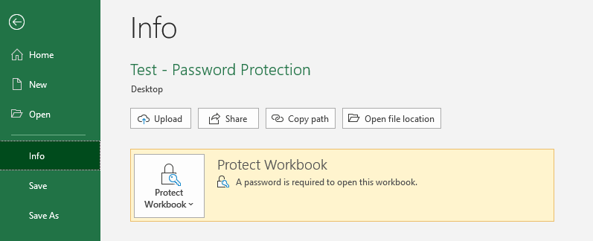

Step 2: Click on “Protect Workbook” and select “Encrypt with Password”

Step 3: Enter your new password, click on “ok” and then save the file

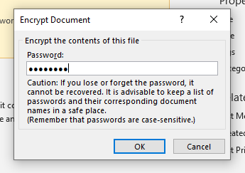

Step 4: Close the file, re-open it and verify that it asks you for the password you just assigned

