Password Protection
How to add password protection to your registration form

Step 1: click on “File” tab of the spreadsheet and then on “Info”

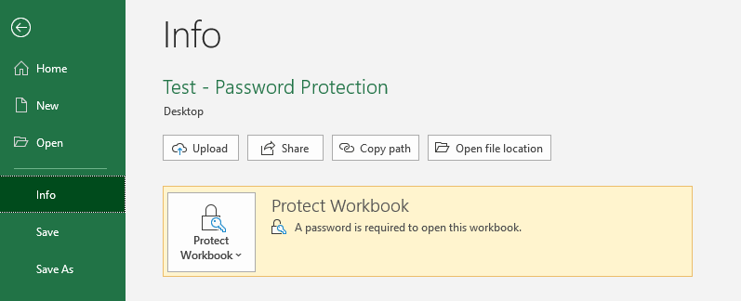

Step 2: Click on “Protect Workbook” and select “Encrypt with Password”

Step 3: Enter your new password, click on “ok” and then save the file

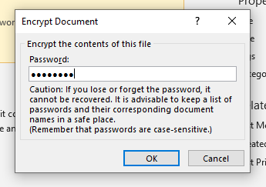

Step 4: Close the file, re-open it and verify that it asks you for the password you just assigned

